L7A1
EE417 Advanced Digital Logic with Verilog HDL |  |  |  |  |  |  | Name: Ron Kalin / Lamin Jammeh |  |  |  | Date: 06/26/24
Lesson 7 Data Path - Controller Design Structure
Multiplier Assignment EE 417.pdf
Design an optimized DataPath controller. The DataPath module and the top module are given in the attached file:
Design the controller that will complete the full design. Create a testbench and test the multiplier. Combine the code, StateGraph of the controller and the simulation results in one pdf file.
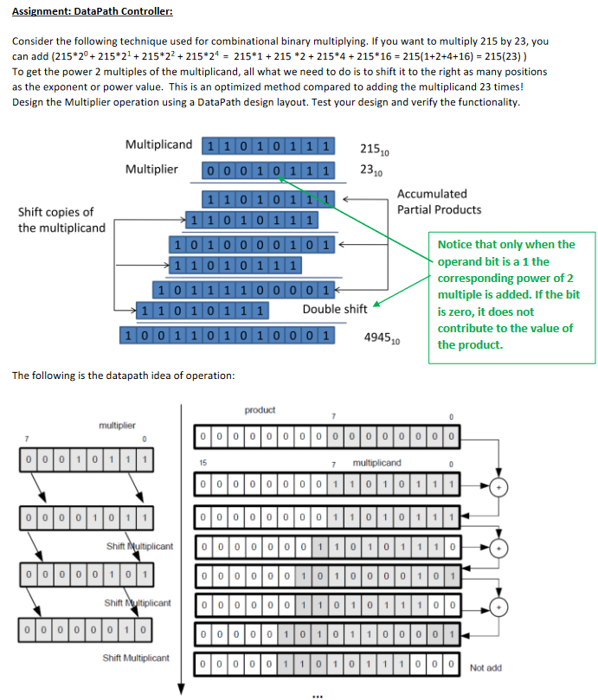

Experimentation
Built a quick calculator which demostrates better than example how this system works.
 | Result | 195
 |  | Value Dec | Value Bin | LSB Mult | State | Dec Prod | Bin Prod |  | Product= Product+Multiplicand
Multiplicand | Word 1 | 15 | 1111
Multiplier | Word 2 | 13 | 1101 | 1 | Add | 15 | 1111
 |  |  |  |  | Shift | Shift must follow add
Multiplicand | Word 1 | 30 | 11110
Multiplier | Word 2 | 6 | 110 | 0 | Shift | 15 | 1111

Multiplicand | Word 1 | 60 | 111100
Multiplier | Word 2 | 3 | 11 | 1 | Add | 75 | 1001011
 |  |  |  |  | Shift | Shift must follow add
Multiplicand | Word 1 | 120 | 1111000
Multiplier | Word 2 | 1 | 1 | 1 | Add | 195 | 11000011
 |  |  |  |  | Shift | Shift must follow add
Multiplicand | Word 1 | 240 | 11110000
Multiplier | Word 2 | 0 |  |  | Latch | 195 | 11000011

Design Methodology
The top level module and Datapath were given below. A couple additions to code given were made in order for it to be synthesized.
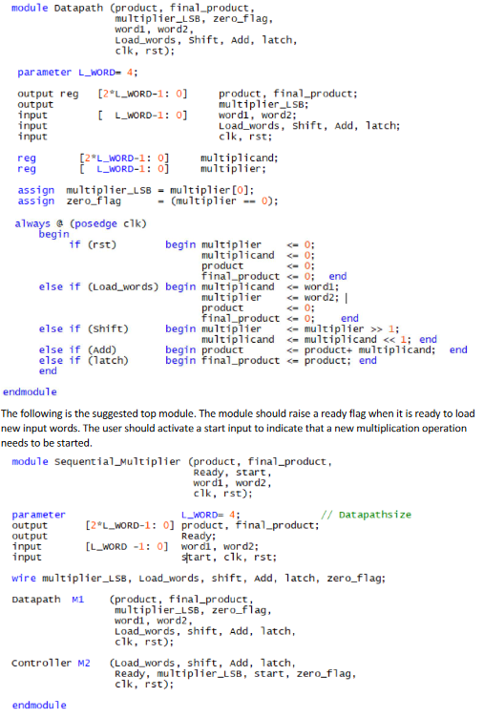

A block diagram and Finite State Machine (FSM) were developed from the Datapath in order to design the Controller code.
Ready was added as an output to the Datapath and as an input to the Controller.
Block Diagram
 |  |  |  | Multiplier_Controller |  |  |  |  |  |  | Multiplier_Datapath
 |  | inputs |  |  |  |  | outputs |  |  | inputs |  |  |  | outputs
 |  |  |  |  |  |  | Load_words |  |  | Load_words |  |  | 8 | product
 | testbench | clk |  |  |  |  | shift |  |  | shift |  |  | 8 | final_product
 |  |  |  |  |  |  | Add |  |  | Add
 |  | reset |  |  |  |  | latch |  |  | latch
 |  |  |  |  |  |  |  |  | from testbench | word1 | 4
 |  | start |  |  |  |  |  |  |  | word2 | 4

 | from datapath
 |  | Ready |  |  |  |  |  |  |  | clk |  |  |  | Ready
 |  | zero_flag |  |  |  |  |  |  |  |  |  |  |  | zero_flag
 |  | multiplier_LSB |  |  |  |  |  |  |  | reset |  |  |  | multiplier_LSB

FSM for Controller
 |  | rst=0 |  |  |  |  |  |  | rst=0 |  | rst=0 |  | start=0
 |  | start=1 |  |  |  | Ready=0 |  |  | start=1 |  | start=1 |  | Ready=0
 |  | Ready=1 |  |  |  | LSB=1 |  |  | Ready=0 |  | Ready=0 |  | zero_flag=1
 | idle |  | loading |  | loaded |  |  | add |  | shift |  | buff |  | latch

 |  | rst=1 |  |  |  | Ready=0
 |  | or |  |  |  | LSB=0
 |  | Ready=0 |  |  |  |  |  |  | rst=0
 |  | or |  |  |  |  |  |  | start=0
 |  | start=0 |  |  |  |  |  |  | Ready=1
 |  |  |  |  |  |  |  |  | zero_flag=1

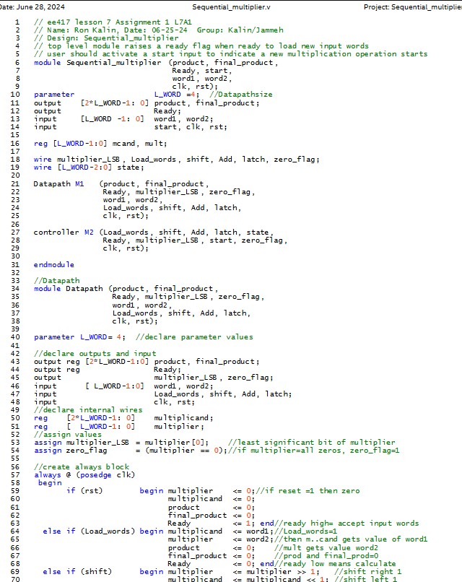
Design Verilog HDL Code -

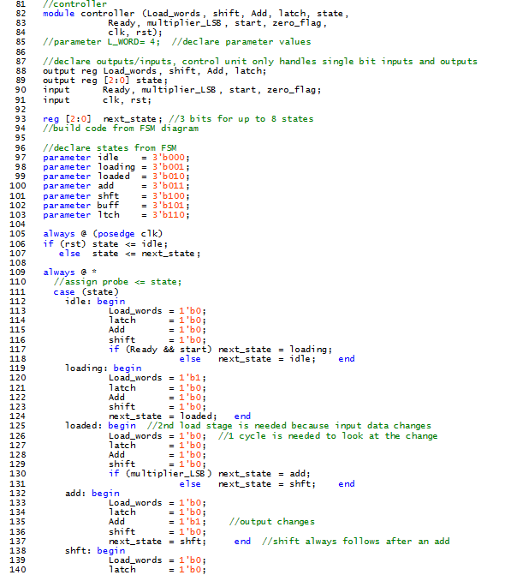

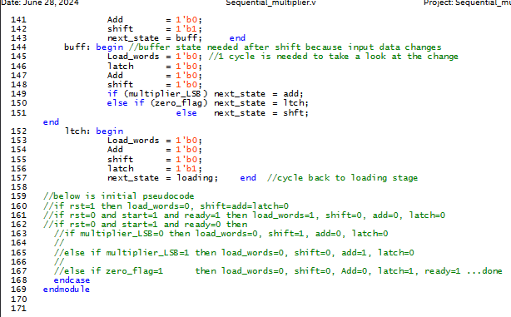

RTL Viewer
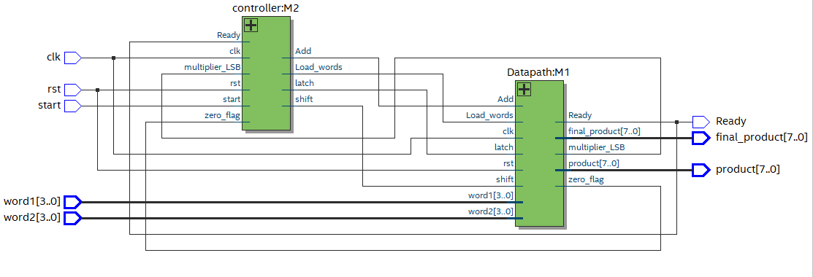

As you can see the actual block diagram looks remarkably similar to the one that was conceptualized at the beginning of the project copied below.
Block Diagram
 |  |  |  | Multiplier_Controller |  |  |  |  |  |  | Multiplier_Datapath
 |  | inputs |  |  |  |  | outputs |  |  | inputs |  |  |  | outputs
 |  |  |  |  |  |  | Load_words |  |  | Load_words |  |  | 8 | product
 | testbench | clk |  |  |  |  | shift |  |  | shift |  |  | 8 | final_product
 |  |  |  |  |  |  | Add |  |  | Add
 |  | reset |  |  |  |  | latch |  |  | latch
 |  |  |  |  |  |  |  |  | from testbench | word1 | 4
 |  | start |  |  |  |  |  |  |  | word2 | 4

 | from datapath
 |  | Ready |  |  |  |  |  |  |  | clk |  |  |  | Ready
 |  | zero_flag |  |  |  |  |  |  |  |  |  |  |  | zero_flag
 |  | multiplier_LSB |  |  |  |  |  |  |  | reset |  |  |  | multiplier_LSB

Testbench Verilog HDL Code
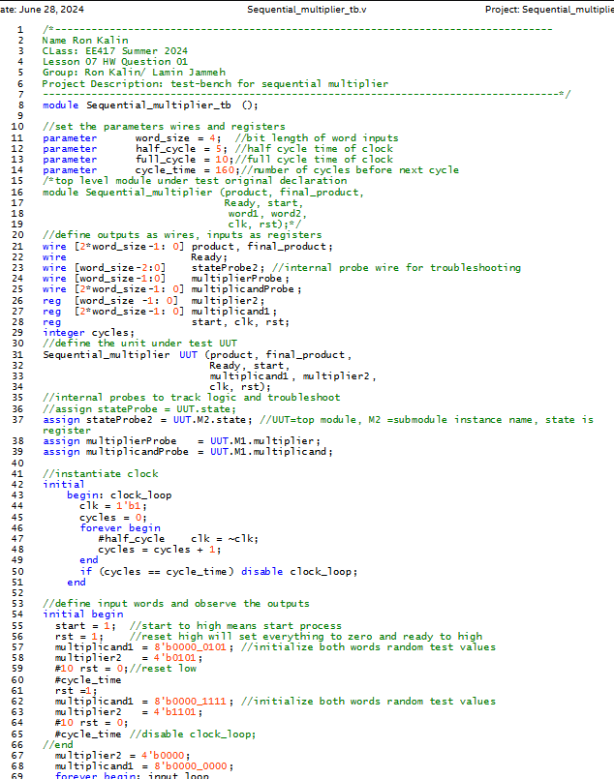

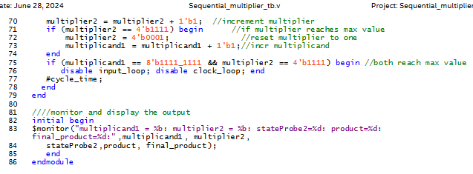

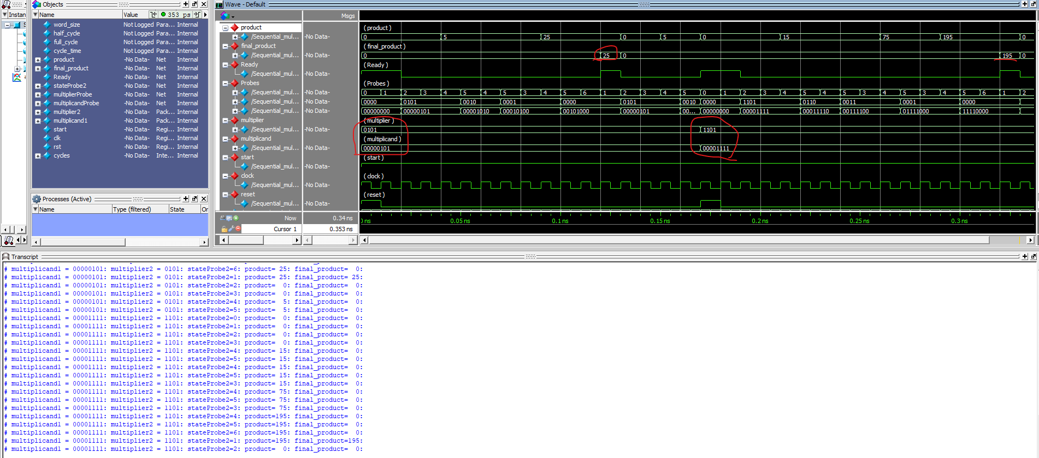
RTL Simulation

Times table below for a 4-bit multiplicand and multiplier
multiplicand1 | multiplier2
 | 0 | 1 | 2 | 3 | 4 | 5 | 6 | 7 | 8 | 9 | 10 | 11 | 12 | 13 | 14 | 15
0 | 0 | 0 | 0 | 0 | 0 | 0 | 0 | 0 | 0 | 0 | 0 | 0 | 0 | 0 | 0 | 0
1 | 0 | 1 | 2 | 3 | 4 | 5 | 6 | 7 | 8 | 9 | 10 | 11 | 12 | 13 | 14 | 15
2 | 0 | 2 | 4 | 6 | 8 | 10 | 12 | 14 | 16 | 18 | 20 | 22 | 24 | 26 | 28 | 30
3 | 0 | 3 | 6 | 9 | 12 | 15 | 18 | 21 | 24 | 27 | 30 | 33 | 36 | 39 | 42 | 45
4 | 0 | 4 | 8 | 12 | 16 | 20 | 24 | 28 | 32 | 36 | 40 | 44 | 48 | 52 | 56 | 60
5 | 0 | 5 | 10 | 15 | 20 | 25 | 30 | 35 | 40 | 45 | 50 | 55 | 60 | 65 | 70 | 75
6 | 0 | 6 | 12 | 18 | 24 | 30 | 36 | 42 | 48 | 54 | 60 | 66 | 72 | 78 | 84 | 90
7 | 0 | 7 | 14 | 21 | 28 | 35 | 42 | 49 | 56 | 63 | 70 | 77 | 84 | 91 | 98 | 105
8 | 0 | 8 | 16 | 24 | 32 | 40 | 48 | 56 | 64 | 72 | 80 | 88 | 96 | 104 | 112 | 120
9 | 0 | 9 | 18 | 27 | 36 | 45 | 54 | 63 | 72 | 81 | 90 | 99 | 108 | 117 | 126 | 135
10 | 0 | 10 | 20 | 30 | 40 | 50 | 60 | 70 | 80 | 90 | 100 | 110 | 120 | 130 | 140 | 150
11 | 0 | 11 | 22 | 33 | 44 | 55 | 66 | 77 | 88 | 99 | 110 | 121 | 132 | 143 | 154 | 165
12 | 0 | 12 | 24 | 36 | 48 | 60 | 72 | 84 | 96 | 108 | 120 | 132 | 144 | 156 | 168 | 180
13 | 0 | 13 | 26 | 39 | 52 | 65 | 78 | 91 | 104 | 117 | 130 | 143 | 156 | 169 | 182 | 195
14 | 0 | 14 | 28 | 42 | 56 | 70 | 84 | 98 | 112 | 126 | 140 | 154 | 168 | 182 | 196 | 210
15 | 0 | 15 | 30 | 45 | 60 | 75 | 90 | 105 | 120 | 135 | 150 | 165 | 180 | 195 | 210 | 225
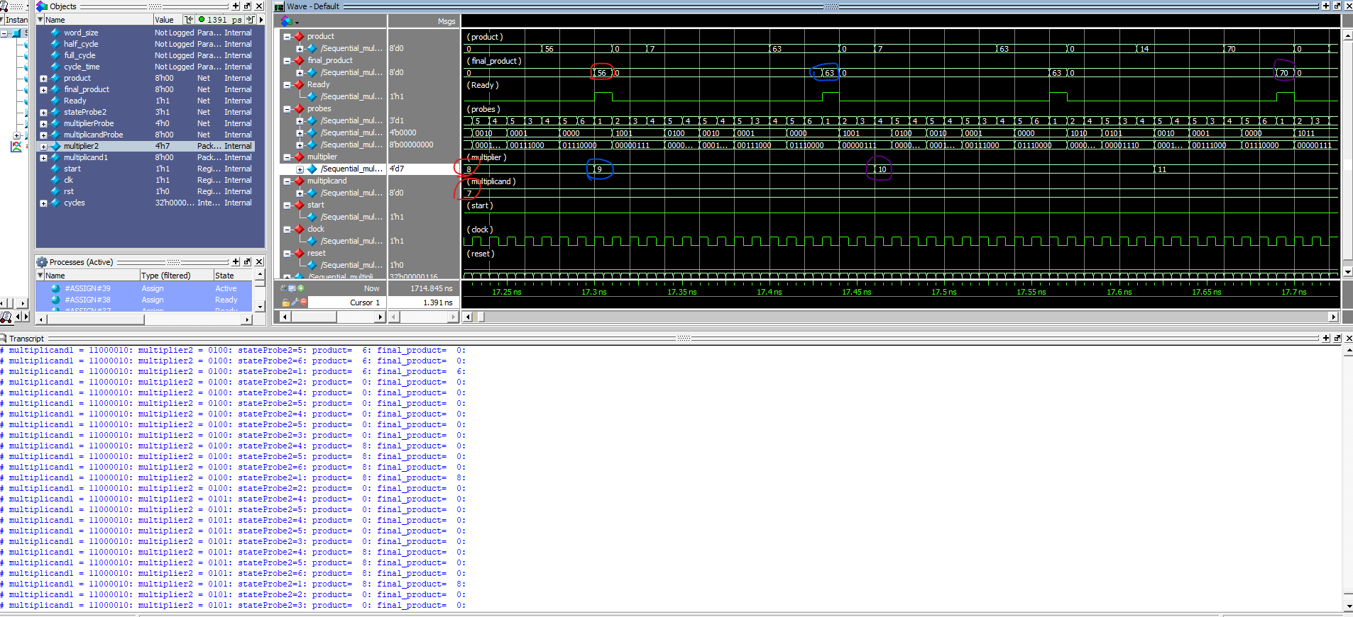

Conclusion
When reset is low, this simulation shows that the two words, multiplicand and multiplier are multiplied together to give the result final_product.
When the reset goes high the process resets.
Random samples of the final_product can be correlated to the times table given above.

